Sheet1
Pressure_bar | Coeff1 | Coeff2 | Coeff3 | R_squared
1 | 1.1990625497 | -19.125454349 | 76.409395093 | 0.99974264408
2 | 0.68896790464 | -19.344317154 | 149.64292584 | 0.99686805378
3 | 0.33543158356 | -16.410274647 | 216.85268561 | 0.99088172753
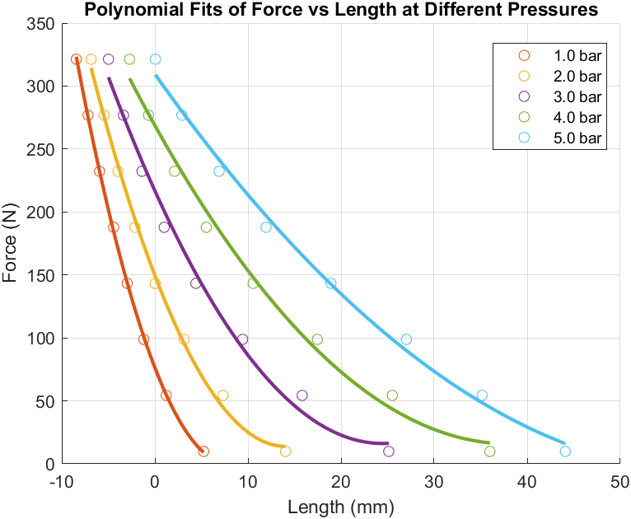
4 | 0.17390806504 | -13.263899897 | 268.7102506 | 0.99110870254
5 | 0.08604952459 | -10.449663994 | 309.51346962 | 0.99418046985

